Sheet1
Patient ID | Age | Gender | Diagnosis | Treatment Plan | Billing status | Outstanding Bill | Date admitted | Date discharged
P0001 | 25 | 2 | Asthma | Medication | Paid | $- | 2023-06-26 | 2023-06-28
P0002 | 70 | 1 | Arthritis | Physical therapy | Paid | $- | 2023-09-06 | 2023-09-09
P0003 | 43 | 1 | Osteoporosis | Surgery | Unpaid | $2,576.00 | 2023-12-09 | 2023-12-23
P0004 | 40 | 1 | Arthritis | Physical therapy | Unpaid | $4,157.00 | 2023-11-24
P0005 | 25 | 1 | Asthma | Medication | Paid | $- | 2023-09-23 | 2023-09-25
P0006 | 42 | 2 | Hypertension | Medication | Unpaid | $4,303.00 | 2023-11-17
P0007 | 60 | 2 | Depression | Medication | Paid | $- | 2023-08-23 | 2023-08-30
P0008 | 34 | 1 | Arthritis | Physical therapy | Paid | $- | 2023-07-19 | 2023-07-22
P0009 | 23 | 1 | Depression | Medication | Unpaid | $3,824.00 | 2023-04-10
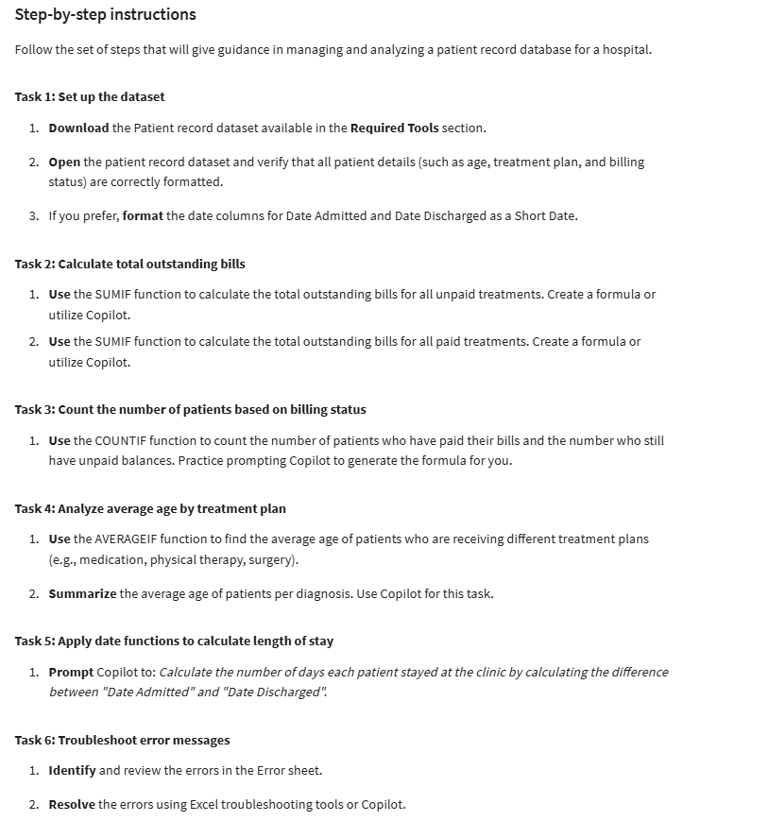
P0010 | 66 | 1 | COPD | Surgery | Unpaid | $4,902.00 | 2023-01-14
P0011 | 48 | 1 | Osteoporosis | Surgery | Paid | $- | 2023-05-30 | 2023-06-13
P0012 | 39 | 1 | Diabetes | Medication | Unpaid | $3,972.00 | 2023-04-08
P0013 | 61 | 2 | Arthritis | Physical therapy | Paid | $- | 2023-10-08 | 2023-10-11
P0014 | 33 | 2 | Arthritis | Physical therapy | Paid | $- | 2023-08-18 | 2023-08-21
P0015 | 64 | 2 | Arthritis | Physical therapy | Unpaid | $3,016.00 | 2023-11-04
P0016 | 39 | 2 | Diabetes | Medication | Unpaid | $1,200.00 | 2023-11-02
P0017 | 35 | 1 | COPD | Surgery | Unpaid | $3,592.00 | 2023-11-05
P0018 | 49 | 2 | Depression | Medication | Unpaid | $3,408.00 | 2023-11-06 | 2023-11-13
P0019 | 51 | 2 | Osteoporosis | Surgery | Paid | $- | 2023-09-25 | 2023-10-09
P0020 | 67 | 1 | COPD | Surgery | Unpaid | $2,266.00 | 2023-03-27 | 2023-04-10
P0021 | 22 | 2 | Diabetes | Medication | Paid | $- | 2023-12-16 | 2023-12-21
P0022 | 54 | 2 | Asthma | Medication | Unpaid | $3,481.00 | 2023-10-11
P0023 | 35 | 2 | Asthma | Medication | Paid | $- | 2023-02-14 | 2023-02-16
P0024 | 53 | 2 | Asthma | Medication | Paid | $- | 2023-04-02 | 2023-04-04
P0025 | 24 | 1 | Osteoporosis | Surgery | Unpaid | $3,472.00 | 2023-09-29
P0026 | 66 | 1 | Osteoporosis | Surgery | Unpaid | $257.00 | 2023-11-26 | 2023-12-10
P0027 | 68 | 1 | Arthritis | Physical therapy | Paid | $- | 2023-01-27 | 2023-01-30
P0028 | 73 | 1 | Arthritis | Physical therapy | Unpaid | $3,602.00 | 2023-04-22 | 2023-04-25
P0029 | 40 | 1 | Osteoporosis | Surgery | Unpaid | $1,979.00 | 2023-03-29 | 2023-04-12
P0030 | 25 | 1 | COPD | Surgery | Unpaid | $3,744.00 | 2023-12-31 | 2024-01-14

